Result
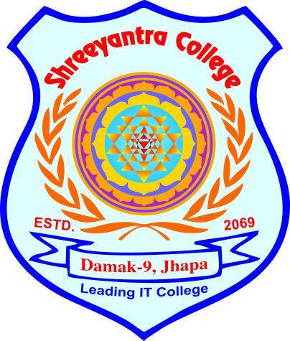
Shreeyanta college
Damak-5, Jhapa
 |  |  |  |  | Br no:
 |  |  |  |  | 23344
Estd. 2007 BS

 |  |  | Grade Sheet

 | THE MARKS SECURED BY | : | Deepan Ghimire
 | DATE OF BIRTH: | : | 3/18/2059
 | ROLL NO | : | 5
 | OF | : | SHREEYANTRA COLLEGE
 | IN THE ANNUAL EXAM OF | : | 2026 AD | ARE GIVEN BELOW

S.n | Subjects | Obtained Marks |  | Credit hour | Remarks
1 | Maths | 66 |  | 4
2 | Science | 59 |  | 4
3 | Social Studies | 58 |  | 4
4 | Nepali | 15 |  | 4
5 | Health | 58 |  | 4
6 | English | 58 |  | 4
7 | General knowledge | 97 |  | 4
 | Total | 411 |  | 28
Percentage:
Position:
Result :
 | 73%
 | pass
 | 7

 | CHECKED BY: |  |  | Principle

